Screenshot references
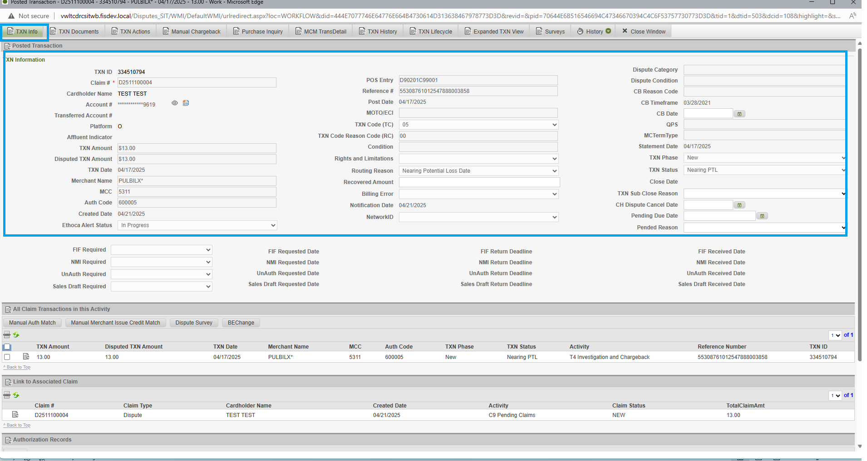
Txn Info

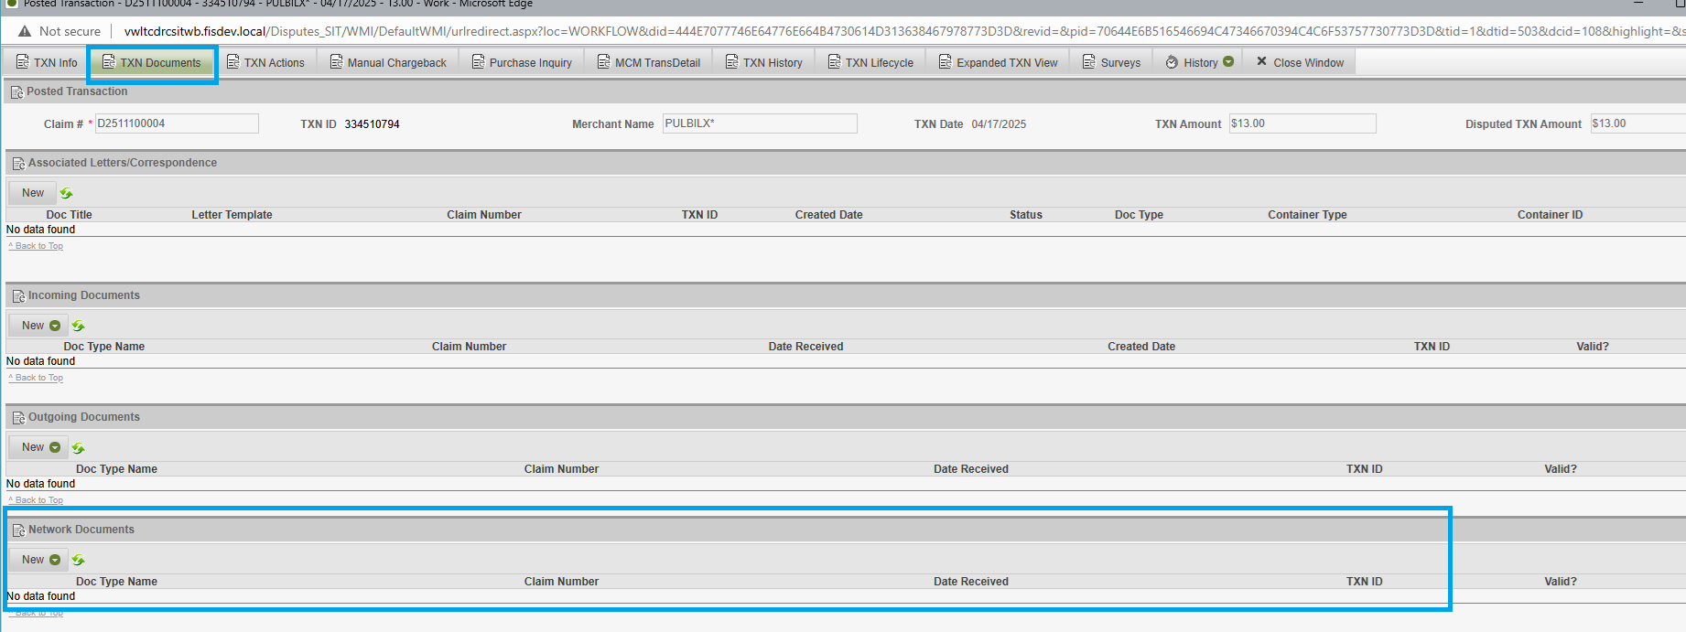
Docs/PDF

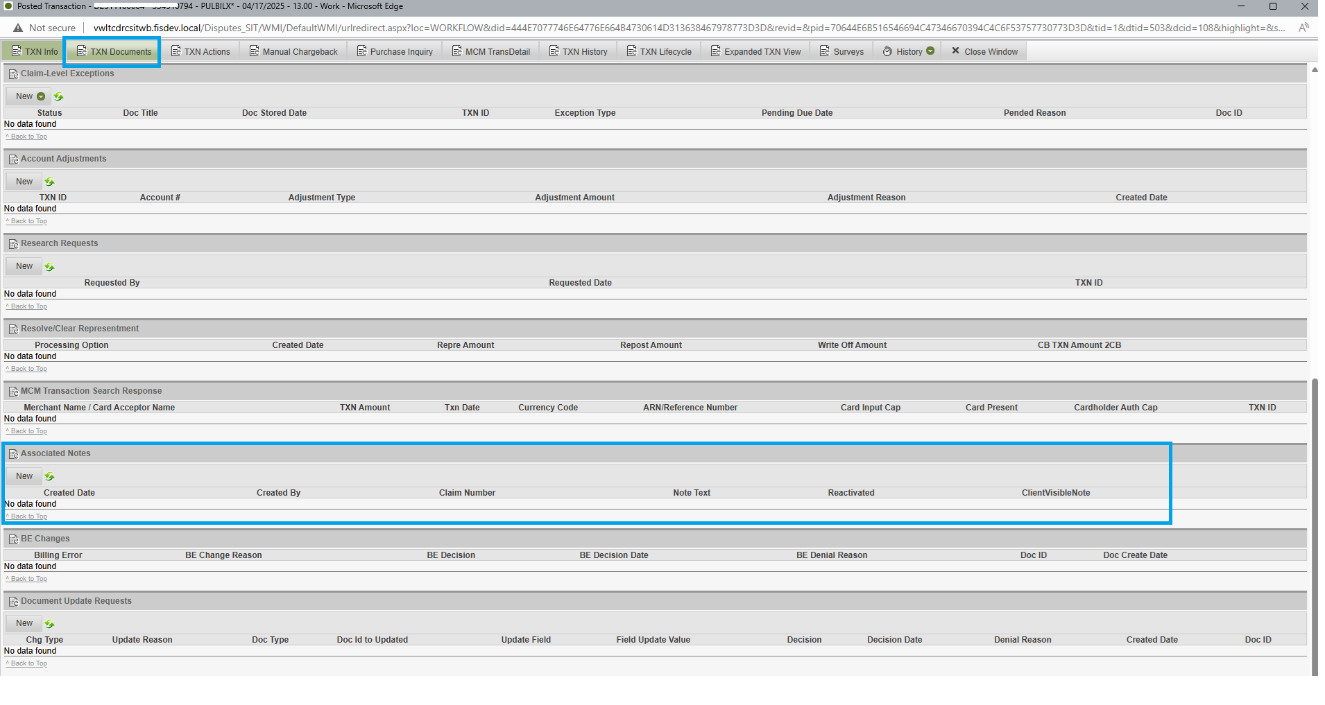
Notes

Issuer must address
 | Data Feed | Takes feed from DRC survey that was filled up latest (just before) Chargeback date and Analayzes against the Network requirements
Dispute Condition 13.1: Merchandise/Services Not Received Issuer Must Provide | Chargeback requirements met
Certification of any of the following, as applicable:
Services were not rendered by the expected date/time | NA
Merchandise was not received by the expected date/time | Met, provided
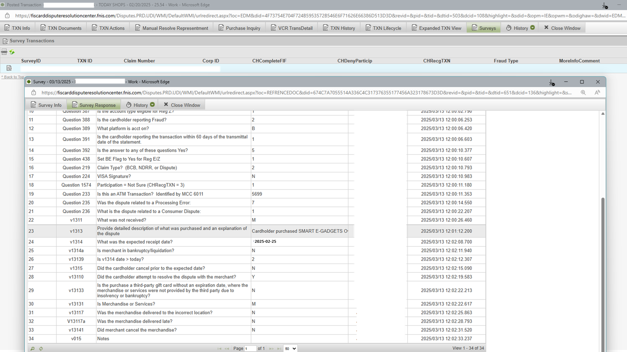
Merchandise was not received at the agreed location (Issuer must specify the address of the agreed location) | NA

Cardholder attempted to resolve with Merchant | Met, provided

If the merchandise was delivered late, the date the Cardholder returned or attempted to return the merchandise | NA
The date the Merchant cancelled the goods or services | NA
For a Dispute involving a travel agency using a Visa Commercial Card Virtual Account, the Virtual Account holder suffered a financial loss | NA

A detailed description of the merchandise or services purchased.1 This description must contain additional information beyond the data required in the Clearing Record (for example: the MCC of the Merchant is 5651 – Family Clothing Stores and the description states a pair of blue jeans). | Met, provided Cardholder purchased SMART E-GADGETS Over-Ear Bluetooth Earbuds, black in color SKU #723466588287, Order #TSD002343866. Cardholder attempted to resolve via phone and was told they do not have any order under her name

For a Transaction that represents the purchase of merchandise or services to be delivered at a later date, an explanation of why the Dispute was initiated before the expected delivery date | Met- CB done on 18th day CB done 3/15/2025 Expected date 2/25/2025

A Cardholder letter, if both:
The Cardholder has disputed 3 or more Transactions for non-receipt of merchandise or services at the same Merchant on the same Card | NA- 1 Txn
The disputed Transactions all occurred within the same 30-calendar day period. | NA

Acquirer must address
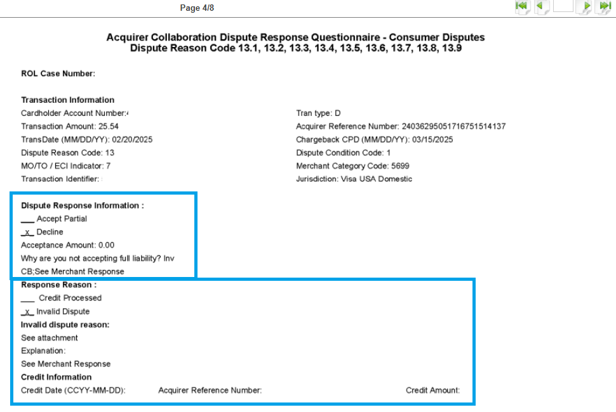
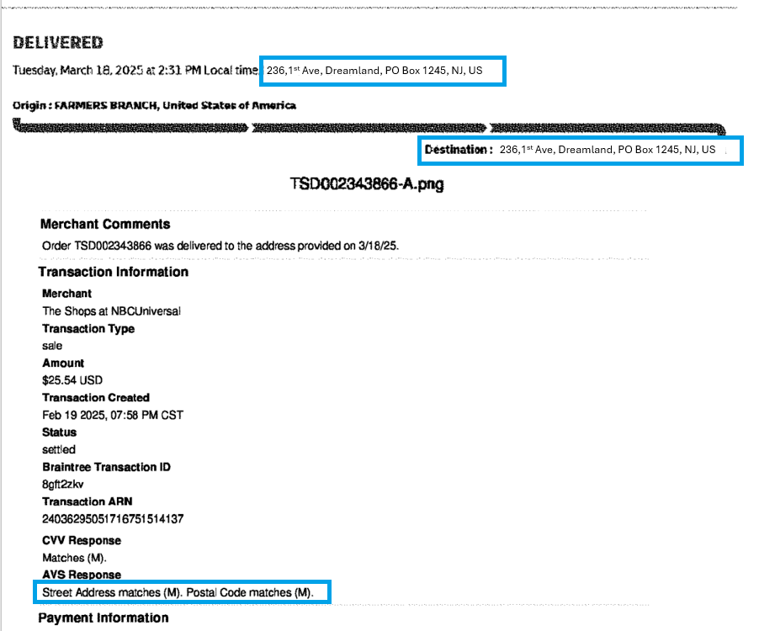
 | Data Feed | Takes feed from Documents available on the investigation after chargeback date (Likely hosted under Network Documents section in Txn Documents Tab- This is the Representment information received from Acquirer/Merchant)
Dispute Condition 13.1: Merchandise/Services Not Received Acquirer Must Provide | Rebuttal requirements met
Evidence of one of the following:
A credit or Reversal issued by the Merchant was not addressed by the Issuer in the Dispute | NA
The Dispute is invalid | Yes Response received Decline, Invalid Dispute
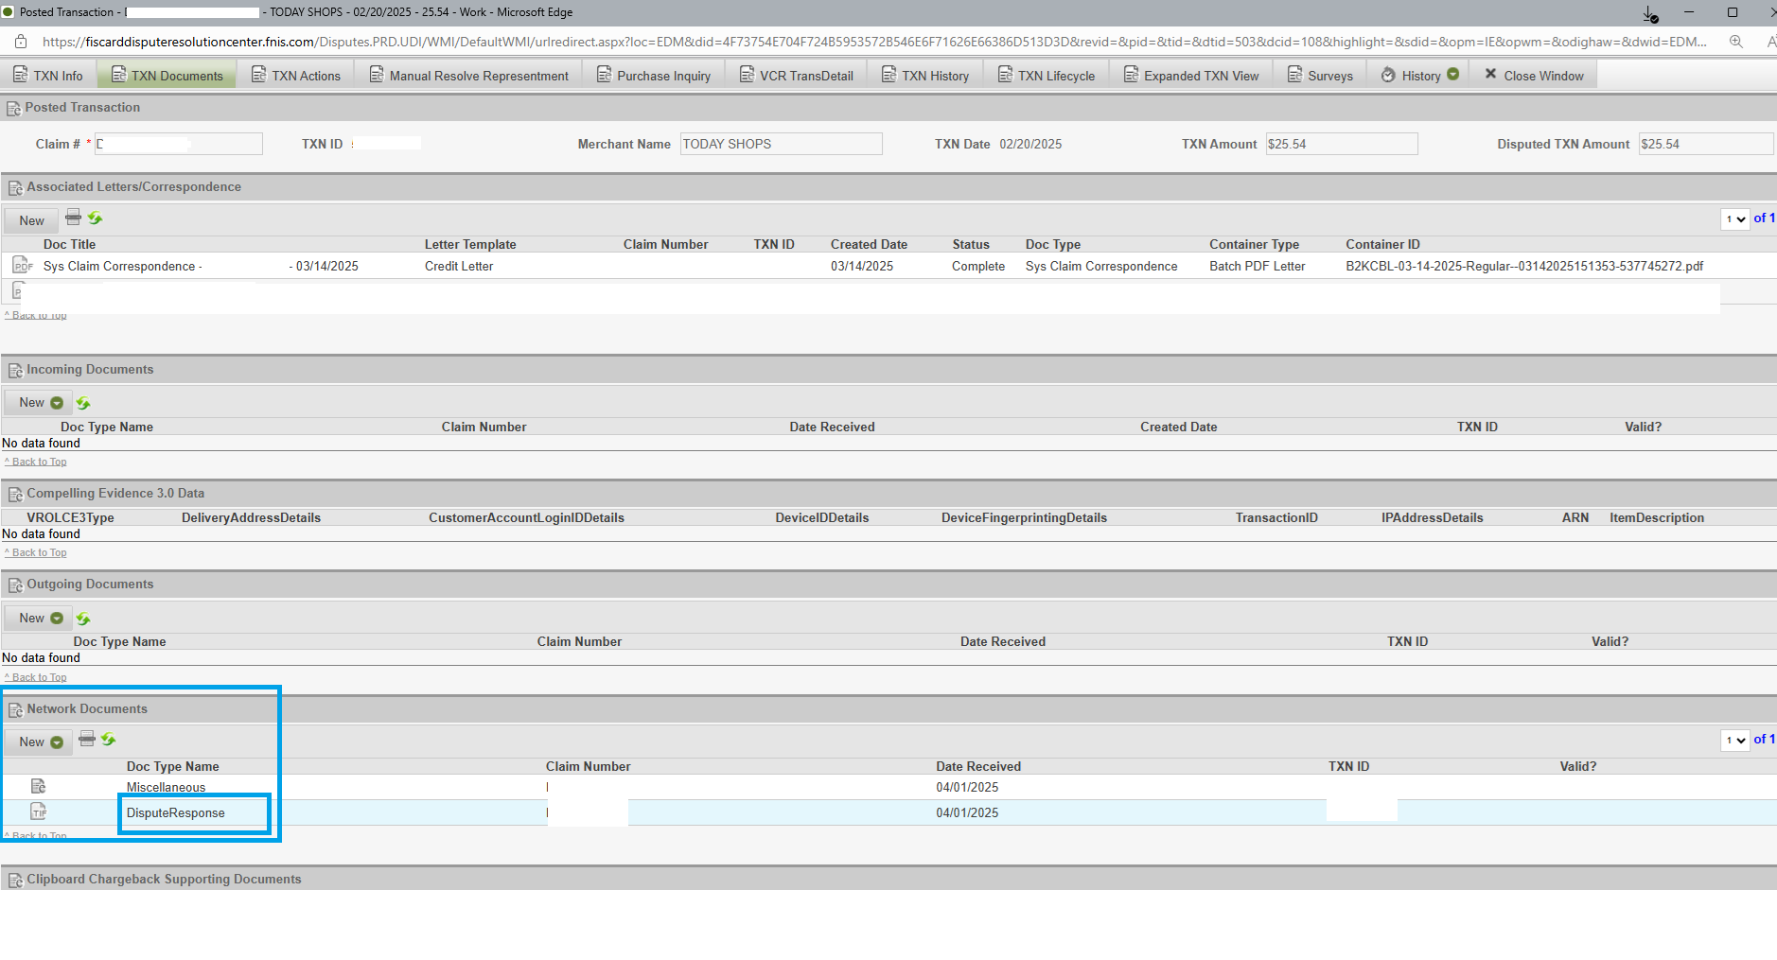
The Cardholder no longer disputes the Transaction | NA
The Cardholder or an authorized person received the merchandise or services at the agreed location or by the agreed date/time | Merchandise delivered on March 18, 2025 Proof of delivery provided, Delivery details match with CH and Billing address. Date of delivery is after Expected date
For an Airline Transaction, that the flight departed when the Cardholder is disputing the flight did not take place. | NA
For a Dispute related to future services, evidence to show that merchant did not cancel and services were available | NA

